PIVOT TABLE
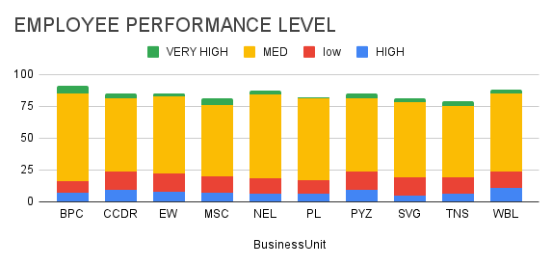
COUNTA of FirstName | Performance level
BusinessUnit | HIGH | low | MED | VERY HIGH | Grand Total
BPC | 7 | 9 | 69 | 6 | 91
CCDR | 9 | 15 | 57 | 4 | 85
EW | 8 | 14 | 61 | 2 | 85
MSC | 7 | 13 | 56 | 5 | 81
NEL | 6 | 12 | 66 | 3 | 87
PL | 6 | 11 | 64 | 1 | 82
PYZ | 9 | 15 | 57 | 4 | 85
SVG | 5 | 14 | 59 | 3 | 81
TNS | 6 | 13 | 56 | 4 | 79
WBL | 11 | 13 | 61 | 3 | 88
Grand Total | 74 | 129 | 606 | 35 | 844

